Base Model
Train Data
Class | Notes | #
0 | Non Taker | 9404
1 | Taker | 7527

Classification Report
 | precision | recall | f1-score | support
0 | 0.84945764 | 0.61622714 | 0.71428571 | 9404
1 | 0.64299139 | 0.86355786 | 0.7371286 | 7527
Feature Importance
Feature Importance
accuracy |  | 0.72618274172
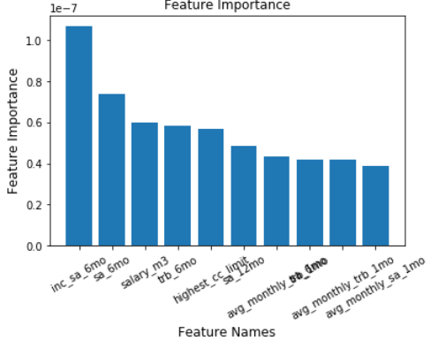
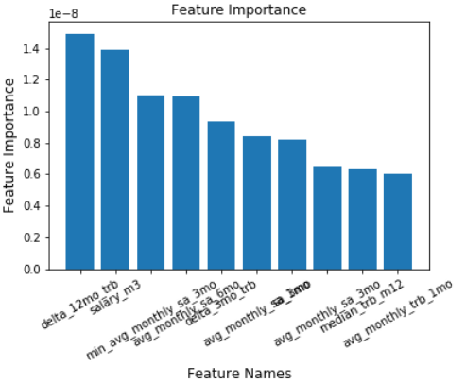

Confusion Matrix
 | Predicted: Non Taker | Predicted: Taker
Actual: Non Taker | 5795 | 3609
Actual: Taker | 1027 | 6500

Validation Data
Class | Notes | #
0 | Non Taker | 1859
1 | Taker | 1488

Classification Report
 | precision | recall | f1-score | support
0 | 0.83238312 | 0.39268424 | 0.53362573 | 1859
1 | 0.54291498 | 0.90120968 | 0.67761496 | 1488
accuracy |  | 0.61876307141

Confusion Matrix
3347 | Predicted: Non Taker | Predicted: Taker
Actual: Non Taker | 730 | 1129
Actual: Taker | 147 | 1341

Model 1 - Random Forest
Feature Importance
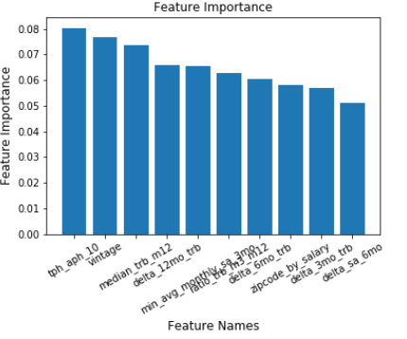
Train Data
Class | Notes | #
0 | Non Taker | 7249
1 | Taker | 6434

Classification Report
 | precision | recall | f1-score | support
0 | 0.904913 | 0.780988 | 0.838396 | 7249
1 | 0.809006 | 0.918727 | 0.860382 | 6434
accuracy | 93.408%
AUC | 99.0%

Confusion Matrix
 | Predicted: Non Taker | Predicted: Taker
Actual: Non Taker | 7109 | 140
Actual: Taker | 762 | 5672

Test Data
Class | Notes | #
0 | Non Taker | 1859
1 | Taker | 1562

Classification Report
 | precision | recall | f1-score | support
0 | 0.739427 | 0.874664 | 0.80138 | 1859
1 | 0.809329 | 0.633163 | 0.710489 | 1562
accuracy | 76.440%
AUC | 86%

Confusion Matrix
 | Predicted: Non Taker | Predicted: Taker
Actual: Non Taker | 1626 | 233
Actual: Taker | 573 | 989

Validation Data
Class | Notes | #
0 | Non Taker | 2242
1 | Taker | 2034

Classification Report
 | precision | recall | f1-score | support
0 | 0.78177 | 0.795718 | 0.788683 | 2242
1 | 0.770311 | 0.755162 | 0.762661 | 2034
accuracy | 77.643%
AUC | 86%

Confusion Matrix
4276 | Predicted: Non Taker | Predicted: Taker
Actual: Non Taker | 1784 | 458
Actual: Taker | 498 | 1536

Best Threshold = 0.51

decile | decile_size | min_proba | max_proba | n_takers | n_non_takers | decile_percentage | decile_takers_rate | decile_non_takers_rate | overall_takers_rate | overall_non_takers_rate | cum_non_takers_rate | cum_takers_rate / gain | ks | lift | Random
1 | 337 | 0.872934 | 0.929579 | 296 | 41 | 10% | 88% | 12% | 20% | 2% | 2% | 20% | 18% | 1.989247 | 1
2 | 337 | 0.825777 | 0.872564 | 263 | 74 | 20% | 78% | 22% | 18% | 4% | 6% | 38% | 31% | 1.87836 | 1
3 | 336 | 0.774377 | 0.825677 | 237 | 99 | 30% | 71% | 29% | 16% | 5% | 11% | 53% | 42% | 1.783154 | 1
4 | 337 | 0.699614 | 0.774106 | 192 | 145 | 40% | 57% | 43% | 13% | 8% | 19% | 66% | 47% | 1.659946 | 1
5 | 337 | 0.610234 | 0.699614 | 173 | 164 | 50% | 51% | 49% | 12% | 9% | 28% | 78% | 50% | 1.560484 | 1
6 | 336 | 0.499512 | 0.609925 | 134 | 202 | 60% | 40% | 60% | 9% | 11% | 39% | 87% | 48% | 1.450493 | 1
7 | 337 | 0.384427 | 0.499502 | 96 | 241 | 70% | 28% | 72% | 6% | 13% | 51% | 93% | 42% | 1.335445 | 1
8 | 336 | 0.271632 | 0.384055 | 66 | 270 | 80% | 20% | 80% | 4% | 14% | 66% | 98% | 32% | 1.223958 | 1
9 | 337 | 0.150805 | 0.271461 | 18 | 319 | 90% | 5% | 95% | 1% | 17% | 83% | 99% | 16% | 1.101404 | 1
10 | 337 | 0.011639 | 0.149779 | 13 | 324 | 100% | 4% | 96% | 1% | 17% | 100% | 100% | 0% | 1 | 1

Model 2 - SVM
Feature Importance
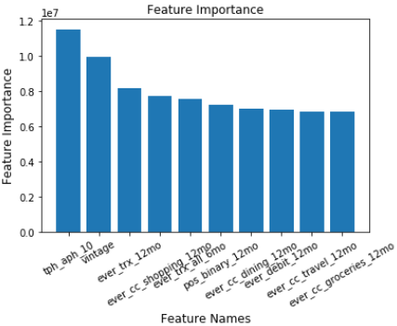
Train Data
Class | Notes | #
0 | Non Taker | 5849
1 | Taker | 5906

Classification Report
 | precision | recall | f1-score | support
0 | 0.844214 | 0.680971 | 0.753856 | 5849
1 | 0.73483 | 0.87555 | 0.799042 | 5906
accuracy | 77.873%
AUC | 86%

Confusion Matrix
 | Predicted: Non Taker | Predicted: Taker
Actual: Non Taker | 3983 | 1866
Actual: Taker | 735 | 1171

Test Data
Class | Notes | #
0 | Non Taker | 2731
1 | Taker | 1621

Classification Report
 | precision | recall | f1-score | support
0 | 0.852162 | 0.707067 | 0.772864 | 2731
1 | 0.616491 | 0.793337 | 0.693822 | 1621
accuracy | 73.920%
AUC | 82%

Confusion Matrix
 | Predicted: Non Taker | Predicted: Taker
Actual: Non Taker | 1931 | 800
Actual: Taker | 335 | 1286

Validation Data
Class | Notes | #
0 | Non Taker | 1879
1 | Taker | 1488

Classification Report
 | precision | recall | f1-score | support
0 | 0.713002 | 0.717935 | 0.71546 | 1879
1 | 0.640678 | 0.635081 | 0.637867 | 1488
accuracy | 68.132%
AUC | 75%

Confusion Matrix
3367 | Predicted: Non Taker | Predicted: Taker
Actual: Non Taker | 1349 | 530
Actual: Taker | 543 | 945

Best Threshold = 0.62

decile | decile_size | min_proba | max_proba | n_takers | n_non_takers | decile_percentage | decile_takers_rate | decile_non_takers_rate | overall_takers_rate | overall_non_takers_rate | cum_non_takers_rate | cum_takers_rate / gain | ks | lift
1 | 337 | 0.824381 | 0.916703 | 255 | 82 | 10% | 76% | 24% | 17% | 4% | 4% | 17% | 13% | 1.71371
2 | 337 | 0.806516 | 0.824378 | 236 | 101 | 20% | 70% | 30% | 16% | 5% | 10% | 33% | 23% | 1.649866
3 | 336 | 0.773979 | 0.806511 | 208 | 128 | 30% | 62% | 38% | 14% | 7% | 17% | 47% | 30% | 1.56586
4 | 337 | 0.711269 | 0.773818 | 177 | 160 | 40% | 53% | 47% | 12% | 9% | 25% | 59% | 34% | 1.471774
5 | 337 | 0.586103 | 0.710715 | 153 | 184 | 50% | 45% | 55% | 10% | 10% | 35% | 69% | 34% | 1.383065
6 | 336 | 0.43081 | 0.586103 | 147 | 189 | 60% | 44% | 56% | 10% | 10% | 45% | 79% | 34% | 1.317204
7 | 337 | 0.292464 | 0.429987 | 157 | 180 | 70% | 47% | 53% | 11% | 10% | 54% | 90% | 35% | 1.279762
8 | 336 | 0.190456 | 0.29216 | 102 | 234 | 80% | 30% | 70% | 7% | 12% | 67% | 96% | 29% | 1.205477
9 | 337 | 0.129447 | 0.190044 | 34 | 303 | 90% | 10% | 90% | 2% | 16% | 83% | 99% | 16% | 1.096924
10 | 337 | 0.008085 | 0.129339 | 19 | 318 | 100% | 6% | 94% | 1% | 17% | 100% | 100% | 0% | 1

 | Random | Gain
1 | 10% | 17%
2 | 20% | 33%
3 | 30% | 47%
4 | 40% | 59%
5 | 50% | 69%
6 | 60% | 79%
7 | 70% | 90%
8 | 80% | 96%
9 | 90% | 99%
10 | 100% | 100%
 | lift | Random
1 | 1.71371 | 1
2 | 1.649866 | 1
3 | 1.56586 | 1
4 | 1.471774 | 1
5 | 1.383065 | 1
6 | 1.317204 | 1
7 | 1.279762 | 1
8 | 1.205477 | 1
9 | 1.096924 | 1
10 | 1 | 1

Model 3 -Logistic Regression
Feature Importance
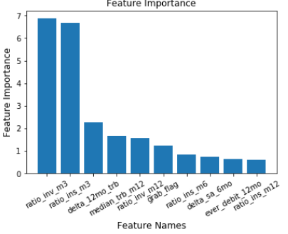
Train Data
Class | Notes | #
0 | Non Taker | 5849
1 | Taker | 5906

Classification Report
 | precision | recall | f1-score | support
0 | 0.852837 | 0.619251 | 0.717512 | 5849
1 | 0.703383 | 0.894175 | 0.787386 | 5906
accuracy | 75.738%
AUC | 0.84

Confusion Matrix
 | Predicted: Non Taker | Predicted: Taker
Actual: Non Taker | 3622 | 2227
Actual: Taker | 625 | 5281

Test Data
Class | Notes | #
0 | Non Taker | 2731
1 | Taker | 1621

Classification Report
 | precision | recall | f1-score | support
0 | 0.852837 | 0.619251 | 0.717512 | 2731
1 | 0.703383 | 0.894175 | 0.787386 | 1621
accuracy | 67.417%
AUC | 80%

Confusion Matrix
 | Predicted: Non Taker | Predicted: Taker
Actual: Non Taker | 3622 | 2227
Actual: Taker | 625 | 5281

Validation Data
Class | Notes | #
0 | Non Taker | 1879
1 | Taker | 1488

Classification Report
 | precision | recall | f1-score | support
0 | 0.722079 | 0.746674 | 0.734171 | 1879
1 | 0.66573 | 0.637097 | 0.651099 | 1488
accuracy | 72.518%
AUC | 77%

Confusion Matrix
3367 | Predicted: Non Taker | Predicted: Taker
Actual: Non Taker | 1403 | 476
Actual: Taker | 540 | 948

Best Threshold = 0.61

decile | decile_size | min_proba | max_proba | n_takers | n_non_takers | decile_percentage | decile_takers_rate | decile_non_takers_rate | overall_takers_rate | overall_non_takers_rate | cum_non_takers_rate | cum_takers_rate / gain | ks | lift
1 | 337 | 8.80E-01 | 0.994709 | 274 | 63 | 10% | 81% | 19% | 18% | 3% | 3% | 18% | 15% | 1.841398
2 | 337 | 8.46E-01 | 0.880131 | 239 | 98 | 20% | 71% | 29% | 16% | 5% | 9% | 34% | 26% | 1.72379
3 | 336 | 7.75E-01 | 0.846164 | 199 | 137 | 30% | 59% | 41% | 13% | 7% | 16% | 48% | 32% | 1.594982
4 | 337 | 6.87E-01 | 0.774807 | 189 | 148 | 40% | 56% | 44% | 13% | 8% | 24% | 61% | 37% | 1.513777
5 | 337 | 6.28E-01 | 0.687009 | 200 | 137 | 50% | 59% | 41% | 13% | 7% | 31% | 74% | 43% | 1.479839
6 | 336 | 5.65E-01 | 0.627976 | 152 | 184 | 60% | 45% | 55% | 10% | 10% | 41% | 84% | 43% | 1.40345
7 | 337 | 4.89E-01 | 0.564813 | 123 | 214 | 70% | 36% | 64% | 8% | 11% | 52% | 92% | 40% | 1.321045
8 | 336 | 3.67E-01 | 0.489086 | 60 | 276 | 80% | 18% | 82% | 4% | 15% | 67% | 97% | 30% | 1.206317
9 | 337 | 1.67E-01 | 0.366799 | 36 | 301 | 90% | 11% | 89% | 2% | 16% | 83% | 99% | 16% | 1.099164
10 | 337 | 6.93E-07 | 0.165893 | 16 | 321 | 100% | 5% | 95% | 1% | 17% | 100% | 100% | 0% | 1

 | Random | Gain
1 | 10% | 18%
2 | 20% | 34%
3 | 30% | 48%
4 | 40% | 61%
5 | 50% | 74%
6 | 60% | 84%
7 | 70% | 92%
8 | 80% | 97%
9 | 90% | 99%
10 | 100% | 100%
 | lift | Random
1 | 1.841398 | 1
2 | 1.72379 | 1
3 | 1.594982 | 1
4 | 1.513777 | 1
5 | 1.479839 | 1
6 | 1.40345 | 1
7 | 1.321045 | 1
8 | 1.206317 | 1
9 | 1.099164 | 1
10 | 1 | 1

Model 4 - XGBoost
Feature Importance
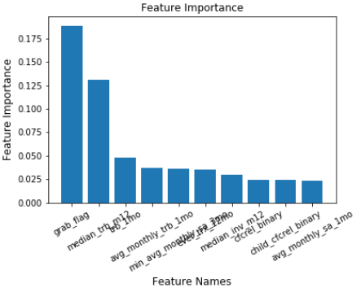
Train Data
Class | Notes | #
0 | Non Taker | 5849
1 | Taker | 5906

Classification Report
 | precision | recall | f1-score | support
0 | 0.85510428 | 0.6659258 | 0.74875048 | 5849
1 | 0.72861111 | 0.88824924 | 0.80054937 | 5906
accuracy | 77.763%
AUC

Confusion Matrix
 | Predicted: Non Taker | Predicted: Taker
Actual: Non Taker | 3895 | 1954
Actual: Taker | 660 | 5246

Test Data
Class | Notes | #
0 | Non Taker | 2731
1 | Taker | 1621

Classification Report
 | precision | recall | f1-score | support
0 | 0.88013897 | 0.55657268 | 0.68192014 | 2731
1 | 0.53866667 | 0.87230105 | 0.66603862 | 1621
accuracy | 67.417%
AUC | 80%

Confusion Matrix
 | Predicted: Non Taker | Predicted: Taker
Actual: Non Taker | 1520 | 1211
Actual: Taker | 207 | 1414

Validation Data
Class | Notes | #
0 | Non Taker | 1879
1 | Taker | 1488

Classification Report
 | precision | recall | f1-score | support
0 | 0.87617066 | 0.4481107 | 0.80651552 | 1879
1 | 0.56899418 | 0.92002688 | 0.70173057 | 1488
accuracy | 65.667%
AUC | 77%

Confusion Matrix
3367 | Predicted: Non Taker | Predicted: Taker
Actual: Non Taker | 842 | 1037
Actual: Taker | 119 | 1369

Best Threshold = 0.54

decile | decile_size | min_proba | max_proba | n_takers | n_non_takers | decile_percentage | decile_takers_rate | decile_non_takers_rate | overall_takers_rate | overall_non_takers_rate | cum_non_takers_rate | cum_takers_rate / gain | ks | lift
1 | 337 | 0.848084 | 0.921629 | 221 | 116 | 0.1 | 66% | 34% | 15% | 6% | 6% | 15% | 9% | 1.485215
2 | 337 | 0.828552 | 0.848084 | 246 | 91 | 0.2 | 73% | 27% | 17% | 5% | 11% | 31% | 20% | 1.56922
3 | 336 | 0.778489 | 0.828552 | 240 | 96 | 0.3 | 71% | 29% | 16% | 5% | 16% | 48% | 31% | 1.583781
4 | 337 | 0.654342 | 0.778327 | 184 | 153 | 0.4 | 55% | 45% | 12% | 8% | 24% | 60% | 36% | 1.496976
5 | 337 | 0.571776 | 0.654342 | 175 | 162 | 0.5 | 52% | 48% | 12% | 9% | 33% | 72% | 39% | 1.432796
6 | 336 | 0.505986 | 0.570698 | 143 | 193 | 0.6 | 43% | 57% | 10% | 10% | 43% | 81% | 38% | 1.354167
7 | 337 | 0.45559 | 0.505524 | 130 | 207 | 0.7 | 39% | 61% | 9% | 11% | 54% | 90% | 36% | 1.285522
8 | 336 | 0.342531 | 0.45559 | 89 | 247 | 0.8 | 26% | 74% | 6% | 13% | 67% | 96% | 29% | 1.199597
9 | 337 | 0.193618 | 0.342531 | 42 | 295 | 0.9 | 12% | 88% | 3% | 16% | 83% | 99% | 16% | 1.09767
10 | 337 | 0.006284 | 0.193433 | 18 | 319 | 1 | 5% | 95% | 1% | 17% | 100% | 100% | 0% | 1
 | Random | Gain
1 | 10% | 15%
2 | 20% | 31%
3 | 30% | 48%
4 | 40% | 60%
5 | 50% | 72%
6 | 60% | 81%
7 | 70% | 90%
8 | 80% | 96%
9 | 90% | 99%
10 | 100% | 100%
 | lift | Random
1 | 1.485215 | 1
2 | 1.56922 | 1
3 | 1.583781 | 1
4 | 1.496976 | 1
5 | 1.432796 | 1
6 | 1.354167 | 1
7 | 1.285522 | 1
8 | 1.199597 | 1
9 | 1.09767 | 1
10 | 1 | 1

